Sheet1
 |  |  |  |  |  |  |  | Date: July 27th, 2026
Supplier Company: Foshan City Nanhai Wanlei Building Paint CO., LTD. Address: Wanshi Industrial Area, Songxia Industrial Park, Nanhai District, Foshan City, Guangdong Province Name: Devin Phone: Email: |  |  |  |  |  |  |  | Quotation
Requested coverage: |  | 1000㎡
Microcement quotation
Number | Product Description | Picture | Net Weight | Gross Weight | Coverage Two time | Request Quantity | Estimated coverage | EXW Unit price(USD) | EXW Amount (USD) | Total wet weight | Total gross weight | Remark
1 | Mesh |  | 4 KG | 4 KGS | 50㎡ | 20 | 1000㎡ | US$15.0 | US$300.0 | 80 KG | 80 KGS
2 | Micro Primer 5kg |  | 5 KG | 5.5 KGS | 25㎡ | 40 | 1000㎡ | US$26.0 | US$1,040.0 | 200 KG | 220 KGS
3 | Micro cement Coarse sand 16kg+ emulsion additive 4kg |  | 20 KG | 21 KGS | 15㎡ | 67 | 1005㎡ | US$38.0 | US$2,546.0 | 1340 KG | 1407 KGS
4 | Micro cement Fine sand 10kg+ emulsion additive 4kg | 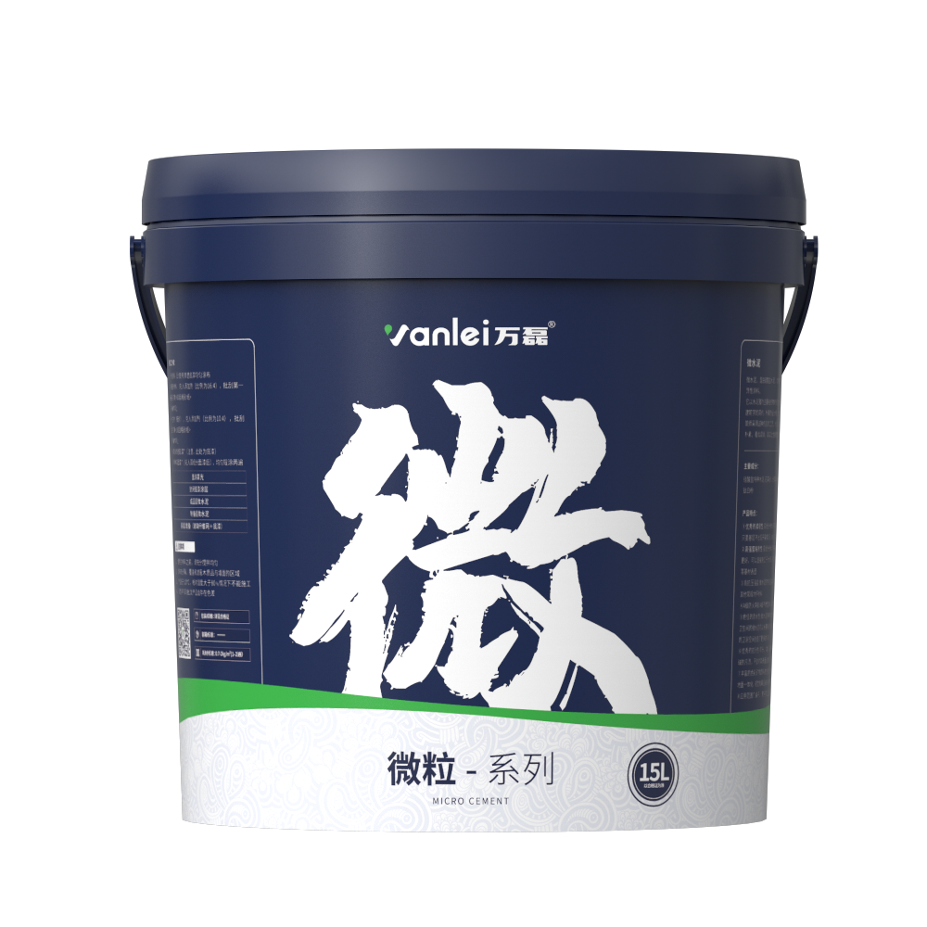 | 14 KG | 15 KGS | 15㎡ | 67 | 1005㎡ | US$38.0 | US$2,546.0 | 938 KG | 1005 KGS
5 | Pigments-100g |  | 0.1 KG | 0.2 KGS | / | 67 | / | US$3.0 | US$201.0 | 6.7 KG | 13.4 KGS
6 | Micro sealer 5kg |  | 5 KG | 5.5 KGS | 25㎡ | 40 | 1000㎡ | US$23.0 | US$920.0 | 200 KG | 220 KGS
7 | Micro Topcoat 4kg+ 1kg polyurethane curing agent |  | 5 KG | 5.5 KGS | 25㎡ | 40 | 1000㎡ | US$72.0 | US$2,880.0 | 200 KG | 220 KGS
Shipping fee: |  |  |  |  |  |  |  |  | EXW
Total: |  |  |  |  |  |  |  |  | US$10,433.0 | 2964.7 KG | 3165.4 KGS

